Cover
PM1743 Generic (U.2/E3.S)

OPPA5B5Q
# | JIRA_ID | ISSUE_TYPE | SUMMARY | SEVERITY | LIKELIHOOD | FAILURE_SCENARIO | ROOT_CAUSE | FIRMWARE_CHANGES
1 | ELAN-5215 | Bug Fix | Modify DLPN mismatch (688 WA) guide | High | Low | With very low probability, Data mismatch occurs because H2D DMA is not idle when performing reset and abort. | If a reset or abort occurs during H2D DMA execution, some sectors are not transferred in LPN unit (4K) and are written to the media. | FW checks DMA status and do Reset or Abort when there is no outstanding transfer.
2 | ELANS-9739 | FW Improvement | HDMA D2H/H2D HW logic parity checker enable | Low | Low | DMA manager HW logic internal parity checker was disabled. | The HW guide is missed. | Enable DMA manager HW logic internal parity checker.
3 | ELAN-5393 | Bug Fix | Change DSM command execution priority | Low | Low | If the DSM command is issued as high QD, the execution time of some DSM commands is delayed. | The number of DSM commands that the device can process at the same time is 256. If the host issues more than 256 DSM commands, some DSM commands wait for the execution order. The DSM command fetched from the host is performed with a higher priority than the DSM command in the waiting queue, which increases the execution time of the DSM command in the waiting queue. | The priority is changed to prioritize the DSM command in the waiting queue.
4 | ELAN-5339 | Bug Fix | Power & DTT Throttling with Completion CQ Token in Dual Port | Medium | Low | When changing the DTT or power state, the performance is measured higher than the target. | When IO is performed on both ports in the dual port mode, performance is throttled with single port target performance for each port. So, the performance of the device is higher than that of the target. | When performing IO on both ports, FW sets half of device target performance to each port.
6 | ELANS-9806 | FW Improvement | [HostHIP] Tracebuffer-dfe-max-event-masking | Low | Low | Trace buffer event is repeatedly performed due to unused event code | DFE max code event is logged due to unused adaptation code | TraceBuffer DFE max code event masking
5 | ELANS-9803 | FW Improvement | [HostHIP] PHY SI guide update for generic | High | Medium | CRC error occurred only during FIO running | Unknown noise when FIO running. As a result of swap test of system components, error occurred only in a specific mainboard of the system | Decreasing Passive Equalizer (PEQ) gain and CTLE DC/AC gain (Refer below)
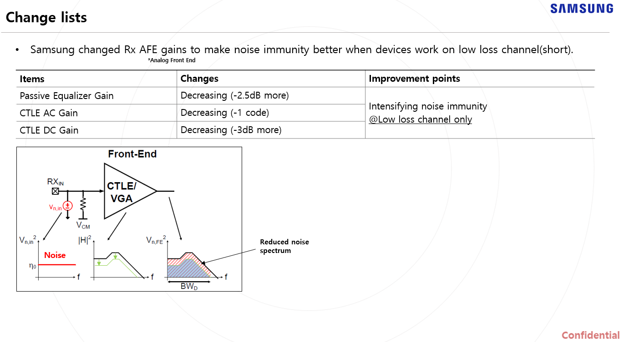
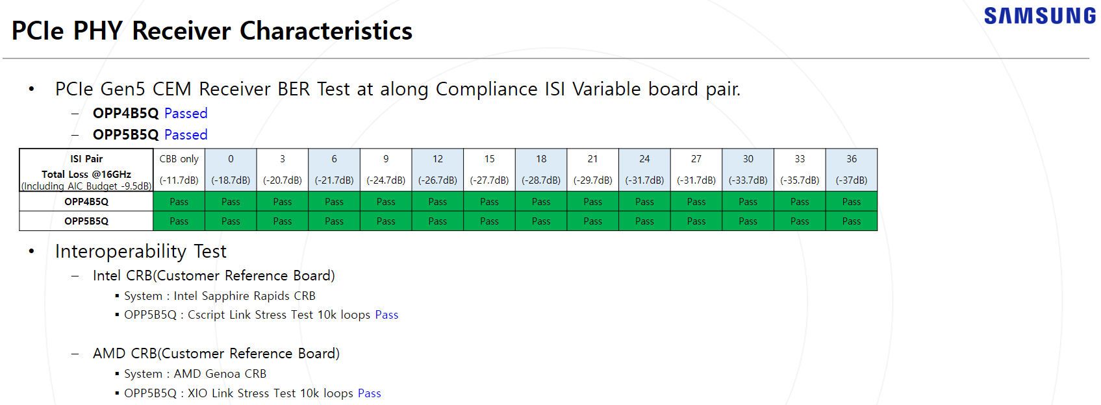

Errata
JIRA_ID | SUMMARY | SEVERITY | LIKELIHOOD | FAILURE_SCENARIO | ROOT_CAUSE | FIRMWARE_CHANGES | Comment
http://edm2.sec.samsung.net/cc/link/verLink/167350801888504877/10 | Nagative test fail for Fused Operation | Low | Low | If a negative test for fused operation with comapre and read operation is issued to the device, deviece can't handle the error case and fails to operate. | There is no error case handling code for fused operation. The device only considers the correct fused command sequence (compare and write). | It will be fixed
http://edm2.sec.samsung.net/cc/link/verLink/167350801888504877/10 | Reset handling fail in flush handling | High | Low | When device sends read requests to the host and if there is no response from the host for a while, device flushes the requests internally to avoid internal hand situation. When this flush sequence is triggered during device is trying to read "write command date" from host, the DMA operation should be aborted but there is a flow problem in the processing of handling the aborting. | Internally, DMA operation is not aborted successfully. Samsung is anlayzing what kind of pre condition this issue can occur. This issue is expected to occur with very low percentage. | It will be fixed
ELAN-5141 | CommandRetryDelay (CRD) Support https://edm2.sec.samsung.net/cc/link/verLink/169335322340704422/2 | N/A | N/A | 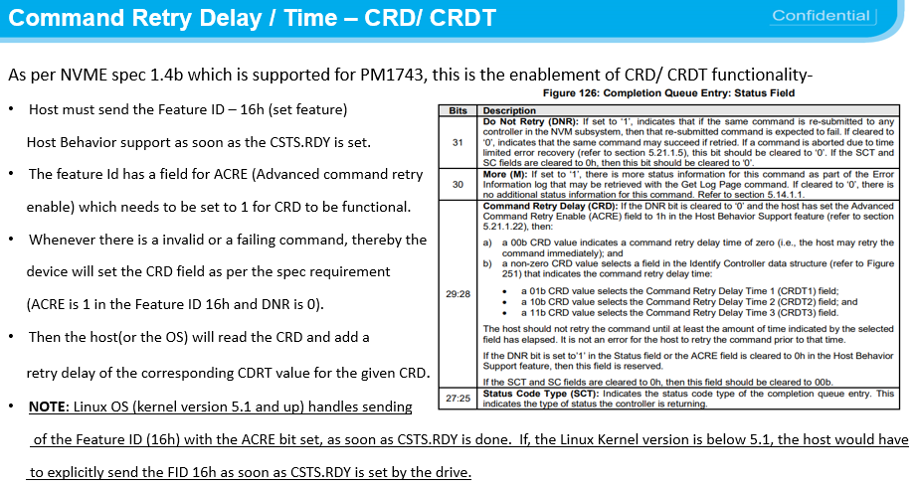 | 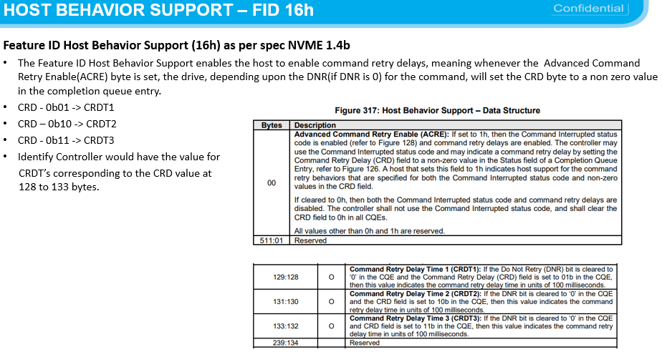 | 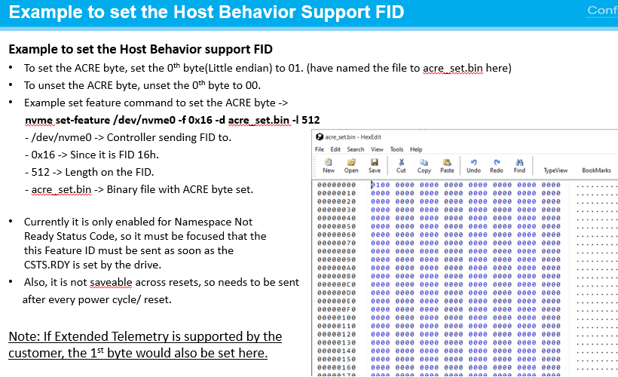 | Host setting could be required as below, Linux OS (kernel version 5.1 and up) handles sending of the Feature ID (16h) with the ACRE bit set, as soon as CSTS.RDY is done. If, the Linux Kernel version is below 5.1, the host would have to explicitly send the FID 16h as soon as CSTS.RDY is set by the drive.
ELANS-9746 (TTR) LED | General Vendor Specific Command 1. TTR On/Off 2. LED On/Off |  |  | Opcode : F4h Command Dword10 (SubOpCode) Set LED -1 / Set TTR - 2 Command Dword11 (Value) : ON - 0, OFF - 1 | (Example : TTR) 1. Set TTR ON # nvme admin-passthru /dev/nvme0 --opcode=0xF4 --cdw10=2 --cdw11=0 2. Set TTR OFF # nvme admin-passthru /dev/nvme0 --opcode=0xF4 --cdw10=2 --cdw11=1 | (Example : LED) 3. LED ON at Idle Mode # nvme admin-passthru /dev/nvme0 --opcode=0xF4 --cdw10=1 --cdw11=1 4. LED OFF at Idle Mode # nvme admin-passthru /dev/nvme0 --opcode=0xF4 --cdw10=1 --cdw11=0

