Cover
PM1743 Generic

Errata
JIRA_ID | SUMMARY | SEVERITY | LIKELIHOOD | FAILURE_SCENARIO | ROOT_CAUSE | FIRMWARE_CHANGES | Comment
http://edm2.sec.samsung.net/cc/link/verLink/167350801888504877/10 | Nagative test fail for Fused Operation | Low | Low | If a negative test for fused operation with comapre and read operation is issued to the device, deviece can't handle the error case and fails to operate. | There is no error case handling code for fused operation. The device only considers the correct fused command sequence (compare and write). | It will be fixed
http://edm2.sec.samsung.net/cc/link/verLink/167350801888504877/10 | Reset handling fail in flush handling | High | Low | When device sends read requests to the host and if there is no response from the host for a while, device flushes the requests internally to avoid internal hand situation. When this flush sequence is triggered during device is trying to read "write command date" from host, the DMA operation should be aborted but there is a flow problem in the processing of handling the aborting. | Internally, DMA operation is not aborted successfully. Samsung is anlayzing what kind of pre condition this issue can occur. This issue is expected to occur with very low percentage. | It will be fixed
ELAN-5141 | CommandRetryDelay (CRD) Support https://edm2.sec.samsung.net/cc/link/verLink/169335322340704422/2 | N/A | N/A | 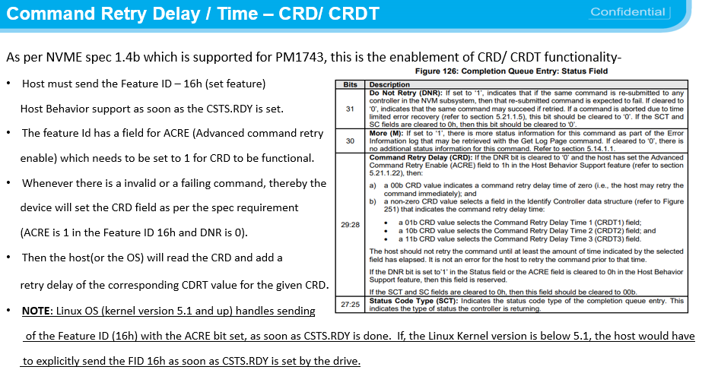 | 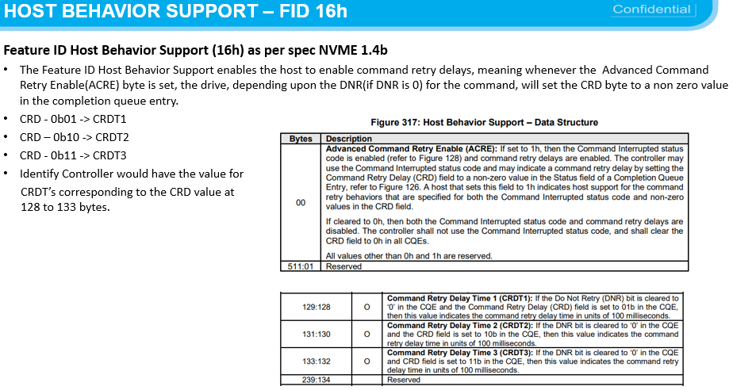 | 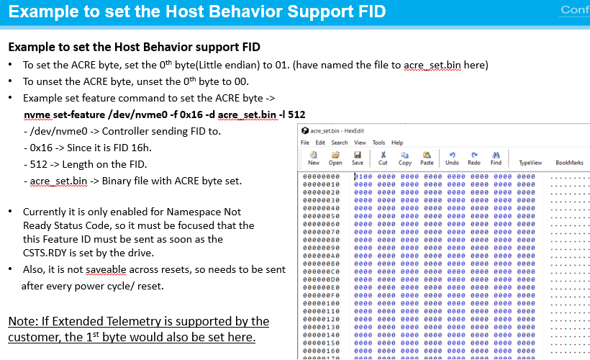 | Host setting could be required as below, Linux OS (kernel version 5.1 and up) handles sending of the Feature ID (16h) with the ACRE bit set, as soon as CSTS.RDY is done. If, the Linux Kernel version is below 5.1, the host would have to explicitly send the FID 16h as soon as CSTS.RDY is set by the drive.
ELANS-9746 (TTR) LED | General Vendor Specific Command 1. TTR On/Off 2. LED On/Off |  |  | Opcode : F4h Command Dword10 (SubOpCode) Set LED -1 / Set TTR - 2 Command Dword11 (Value) : ON - 0, OFF - 1 | (Example : TTR) 1. Set TTR ON # nvme admin-passthru /dev/nvme0 --opcode=0xF4 --cdw10=2 --cdw11=0 2. Set TTR OFF # nvme admin-passthru /dev/nvme0 --opcode=0xF4 --cdw10=2 --cdw11=1 | (Example : LED) 3. LED ON at Idle Mode # nvme admin-passthru /dev/nvme0 --opcode=0xF4 --cdw10=1 --cdw11=1 4. LED OFF at Idle Mode # nvme admin-passthru /dev/nvme0 --opcode=0xF4 --cdw10=1 --cdw11=0

