Cover
PM1733a Generic

MPPA3B5Q
No. | Samsung Internal Key | SUMMARY | ISSUE-TYPE | Severity | Likelihood | FAILURE SCENARIO | ROOT CAUSE | Description (FW changes)
1 | AWDEN-4761 AWDEN-4763 | Optimization Read Recovery Time for NAND WL | UECC | Medium | Medium | Soft Disturb occurs by Interval Read due to a little voltage remained from Read operation. Affected blocks can be a UECC failures. Read Recovery Time was insufficient→WL residual voltage increase→UECC occurred due to soft disturb→WL Recovery Time modified→WL residual voltage decreased→Soft Disturb period removed | Read recovery time was insufficient which is to eliminate the given voltage. | Optimize the firmware to increase the time for Recovery operation to eliminate the remaining voltage.
2 | AWDEN-4774 | Optimization Patrol read for NAND | UECC | Medium | Medium | When there is long term retention without Write/Read, Patrol Read (kind of Reclaim) is supported in order to preserve user data, applying periodic Auto Read on Retention vulnerable pages scanning every block. | Patrol Read degraded adjacent WL (N±1) when scanning WL(N) because of Read Disturb. | 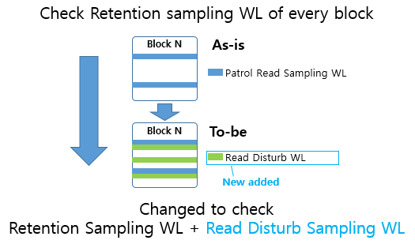 The Read Disturb weak pages has been added to Patrol Read Sampling Pages in order to reclaim.

